Procedure
4.1 | Inventory: |  | Comments: WRITE TEST RESULTS IN CHECKLIST TAB
4.1.1 | BDA location | Document floor, room number, any supplemental info to find and access DAS BDA
4.1.2 | BDA model | Document BDA model number
4.1.3 | BDA firmware | If available, document installed firmware version(s)
4.1.4 | Vendor confirms all DAS antennas connected | This is just a question, "Are all the DAS antennas connected and working?" Testing cannot proceed without everything being hooked up and working.
4.1.5 | Fiber infrastructure make and model # | If there are fiber remotes, what is the fiber interface make and model number
4.1.6 | Number of fiber remotes | Document total number of fiber remotes connected to BDA through fiber interface
4.1.7 | Donor antenna location | Document location as well as any supplemental info to find and access donor antenna
4.1.8 | Donor antenna type | Yagi, Panel, Dish, Corner reflector, Omni
4.1.9 | Donor antenna gain (indicate dBd or dBi) | If known, required for new systems. If unknown, use 9dB for yagi antennas, 10dB for corner reflectors, 15dB for parabolic.
4.1.10 | Donor antenna azimuth | Degrees Clockwise from True North (0°) e.g., 90° is due East
4.1.11 | Expected donor site | To be supplied by TCOMM 911. Email RadioHelpDesk@TCOMM911.org
4.1.12 | Inline attenuator value | If there is an inline attenuator, document its value in dB here
4.2 | BDA Configuration:
4.2.1 | BDA Configuration Report | Refer to frequency lists supplied by TCOMM911. Email RadioHelpDesk@TCOMM911.org New construction or retrofits require channelized configuration, with a maximum channel width of 300 kHz and a maximum of 3 channels per filter. The configuration report shoudl clearly indicate the frequencies programmed into the BDA and all filter settings
4.2.2 | Configured DL gain | If different DL gain values are configured, document the greatest value
4.2.3 | Configured UL gain | If different UL gain values are configured, document the greatest value
4.2.4 | Verify UL AGC/ALC | If present as a feature. Required for new construction or new electronics. If options are available, must be configured in fastest attack mode (mode 3).
4.2.5 | Verify UL squelch configured | If present as a feature. Required for new construction or new electronics.
4.3 | Isolation
4.3.1, 4.3.2 | Isolation Results | DL Isolation Test • Connect Signal Generator to DAS cable infrastructure, (cable disconnected from port on BDA labeled DAS/MOBILE/SVC). Keep any DAS attenuation connected to the DAS cable, attenuation is part of the effective isolation. • Connect Spectrum Analyzer to Donor cable infrastructure (cable disconnected from port on BDA labeled DONOR/BTS). Keep any donor attenuation connected to the donor cable, attenuation is part of the effective isolation. • If fiber infrastructure is present, confirm with DAS OEM input of +0dBm is acceptable for fiber point of interface • Generate DL test signal between 799-805 MHz on unused frequency at +0 dBm (or value confirmed with DAS vendor) • Measure receive of generated signal via donor antenna connected to spectrum analyzer UL Isolation Test • Connect Signal Generator to Donor cable infrastructure (cable disconnected from port on BDA labeled DONOR/BTS). Keep any donor attenuation connected to the donor cable, attenuation is part of the effective isolation. • Connect Spectrum Analyzer to DAS cable infrastructure (cable disconnected from port on BDA labeled DAS/MOBILE/SVC). Keep any DAS attenuation connected to the DAS cable, attenuation is part of the effective isolation. • Generate UL test signal between 769-775 MHz on unused frequency at +0 dBm (or value confirmed with DAS OEM) • Measure receive of generated signal via DAS connected to spectrum analyzer • Document lower (worse isolation) of two tests (Generated signal - measured value = isolation) e.g. (+0dBm - (-103dBm) = 103dB of isolation • Passing requires Isolation of 20dB greater than maximum gain (iso - max gain) > 20dB | If DAS headend does not support direct connection to Server/Mobile ports, provide documentation from DAS OEM on Isolation test procedure.
4.3.1.1 | Isolation Diagram | 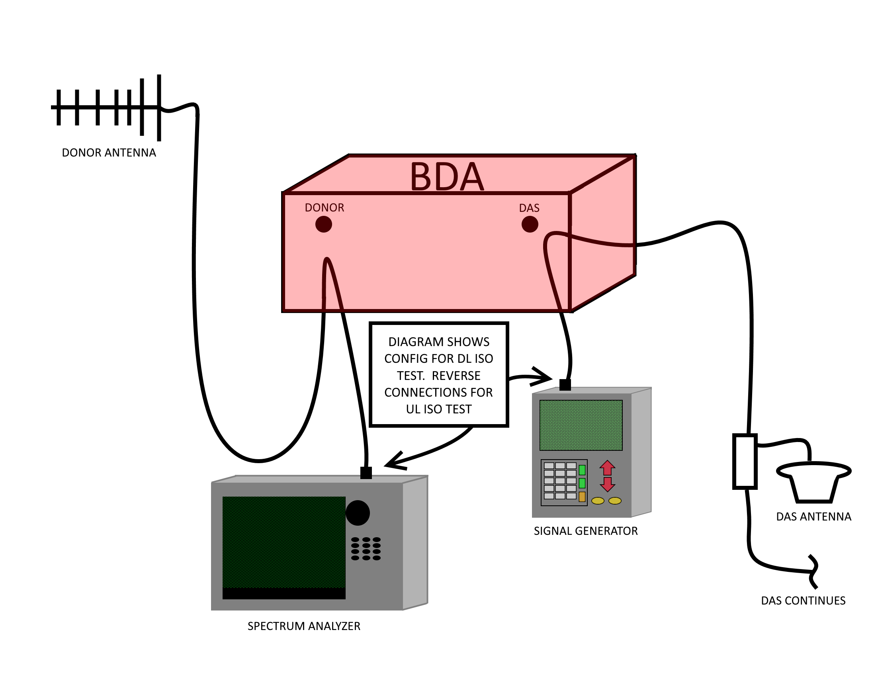
4.4 | DL Testing
4.4.1 | DL receive at BDA donor input | Connect spectrum analyzer to cable (including inline attenuator) from BDA donor port. The goal is to measure what the BDA receives. Record dBm of control channel with spectrum analyzer resolution bandwidth of at least 15kHz but no more than 50kHz
4.4.1.1 | 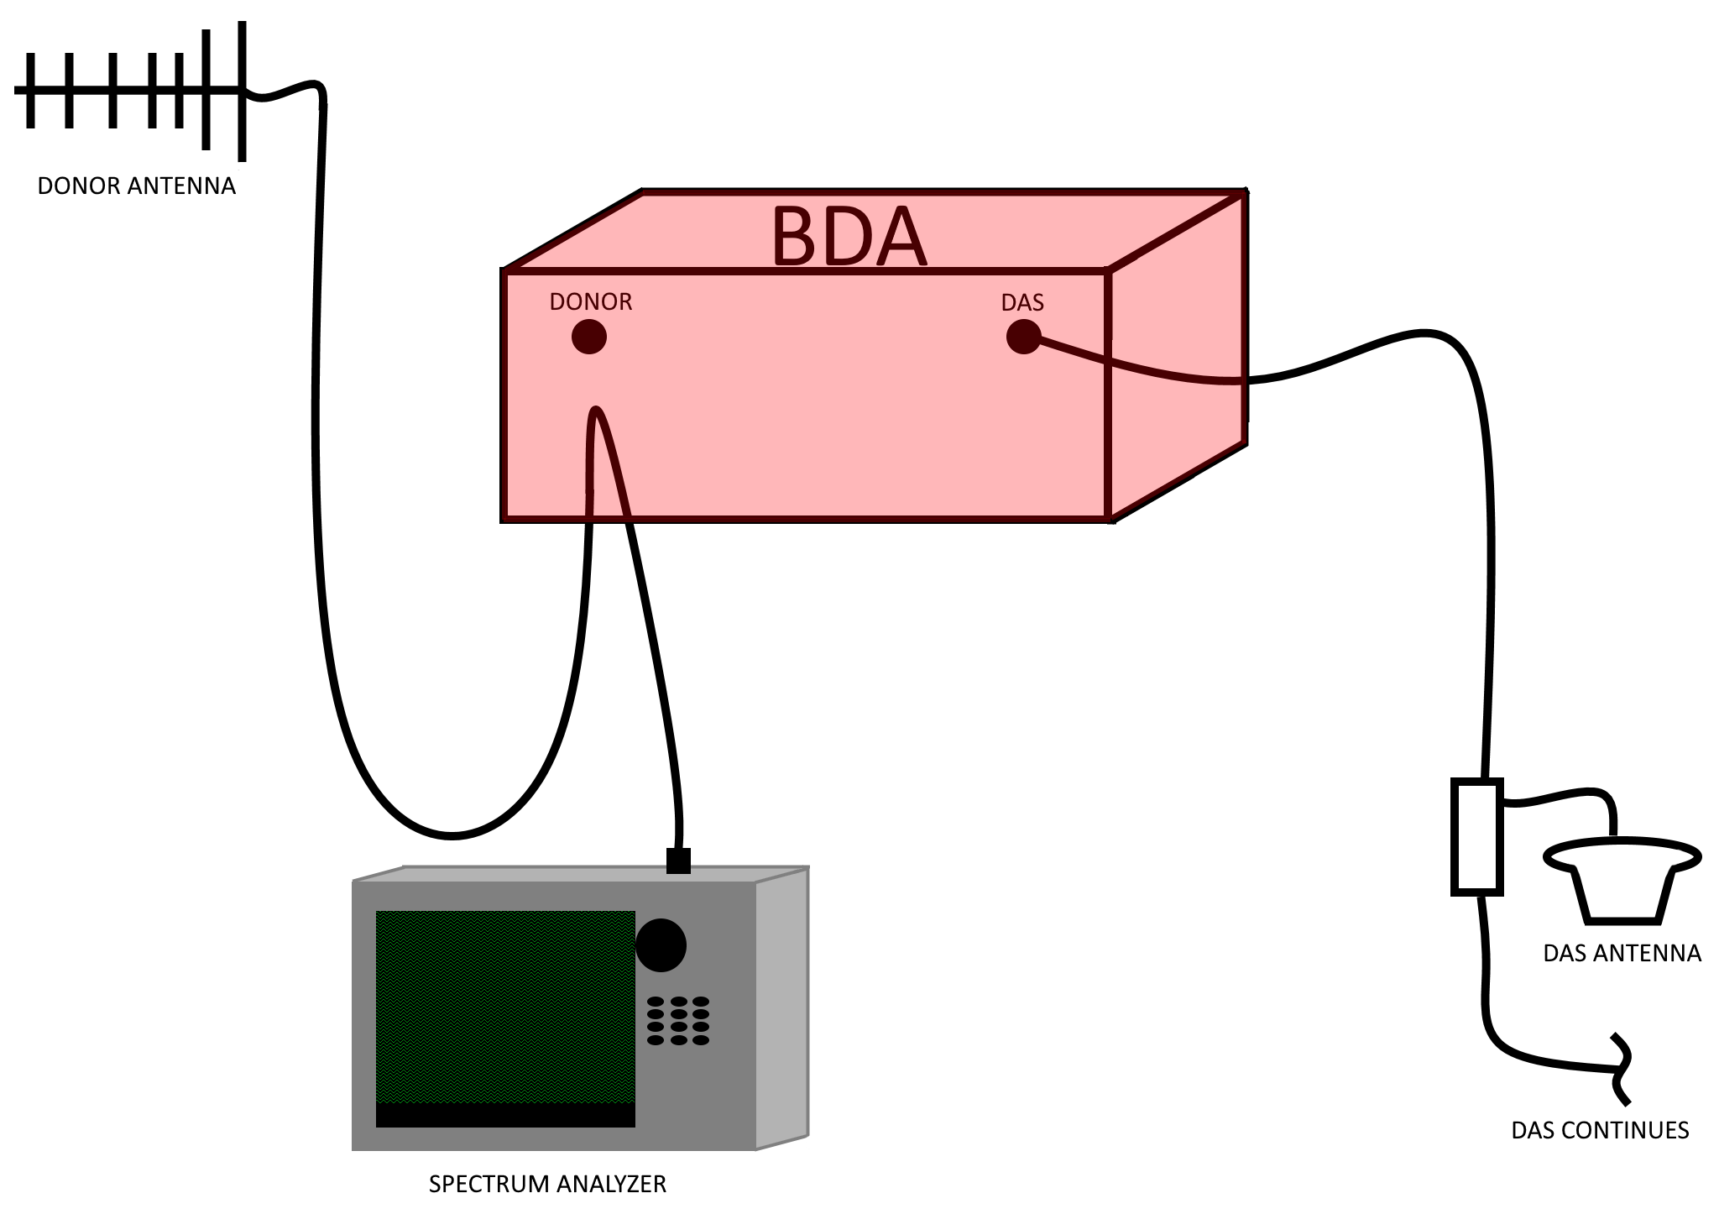 DL receive at BDA donor input diagram
4.4.2 | Calculated path loss to donor site | Contact TCOMM911 for donor site ERP. Email RadioHelpDesk@TCOMM911.org If in-line attenuator is present on donor cable, be sure to include in measurement! Path loss = (Donor Site ERP - RX Delta) - (Control Channel dBm) For example, if Path loss = (+52dBm - 2.5dB) - (-62dBm), Path loss = 116.5 dB
4.4.3 | BDA DL output | ****Must use at least 20dB 5W attenuator, connecting high power to spectrum analyzer**** With attenuator, connect spectrum analyzer to BDA DAS port Record dBm of control channel with spectrum analyzer resolution bandwidth (RBW) of at least 15 kHz but no more than 50kHz. Don't forget to add the 20dB back in from the attenuator
4.4.3.1 | BDA DL output diagram | 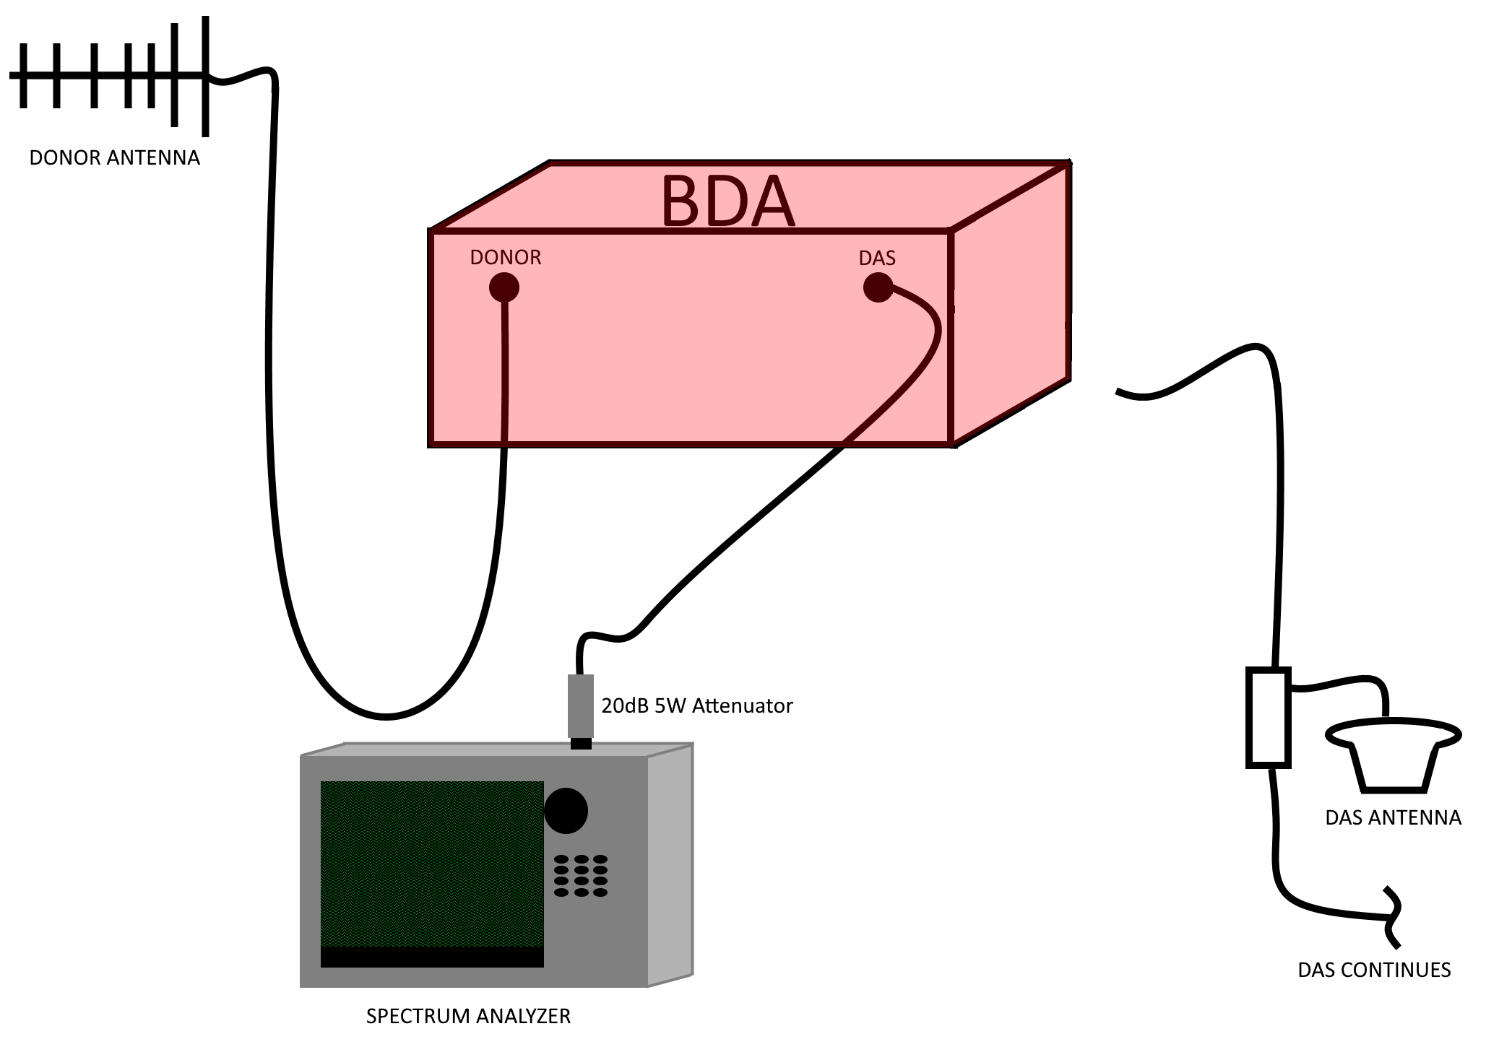
4.5 | DAS UL testing |  | Requires test radio with conventional transmission option
4.5.1 | Measure max UL input to BDA | Connect spectrum analyzer to cable from BDA DAS port Transmit for at least 10 seconds from hip height with a test radio TRANSMITTING IN CONVENTIONAL directly under the closest DAS antenna Record dBm of UL transmission with spectrum analyzer resolution bandwidth (RBW) of at least 15 kHz but no more than 50kHz
4.5.1.1 | Measure max/min UL input to BDA diagram | 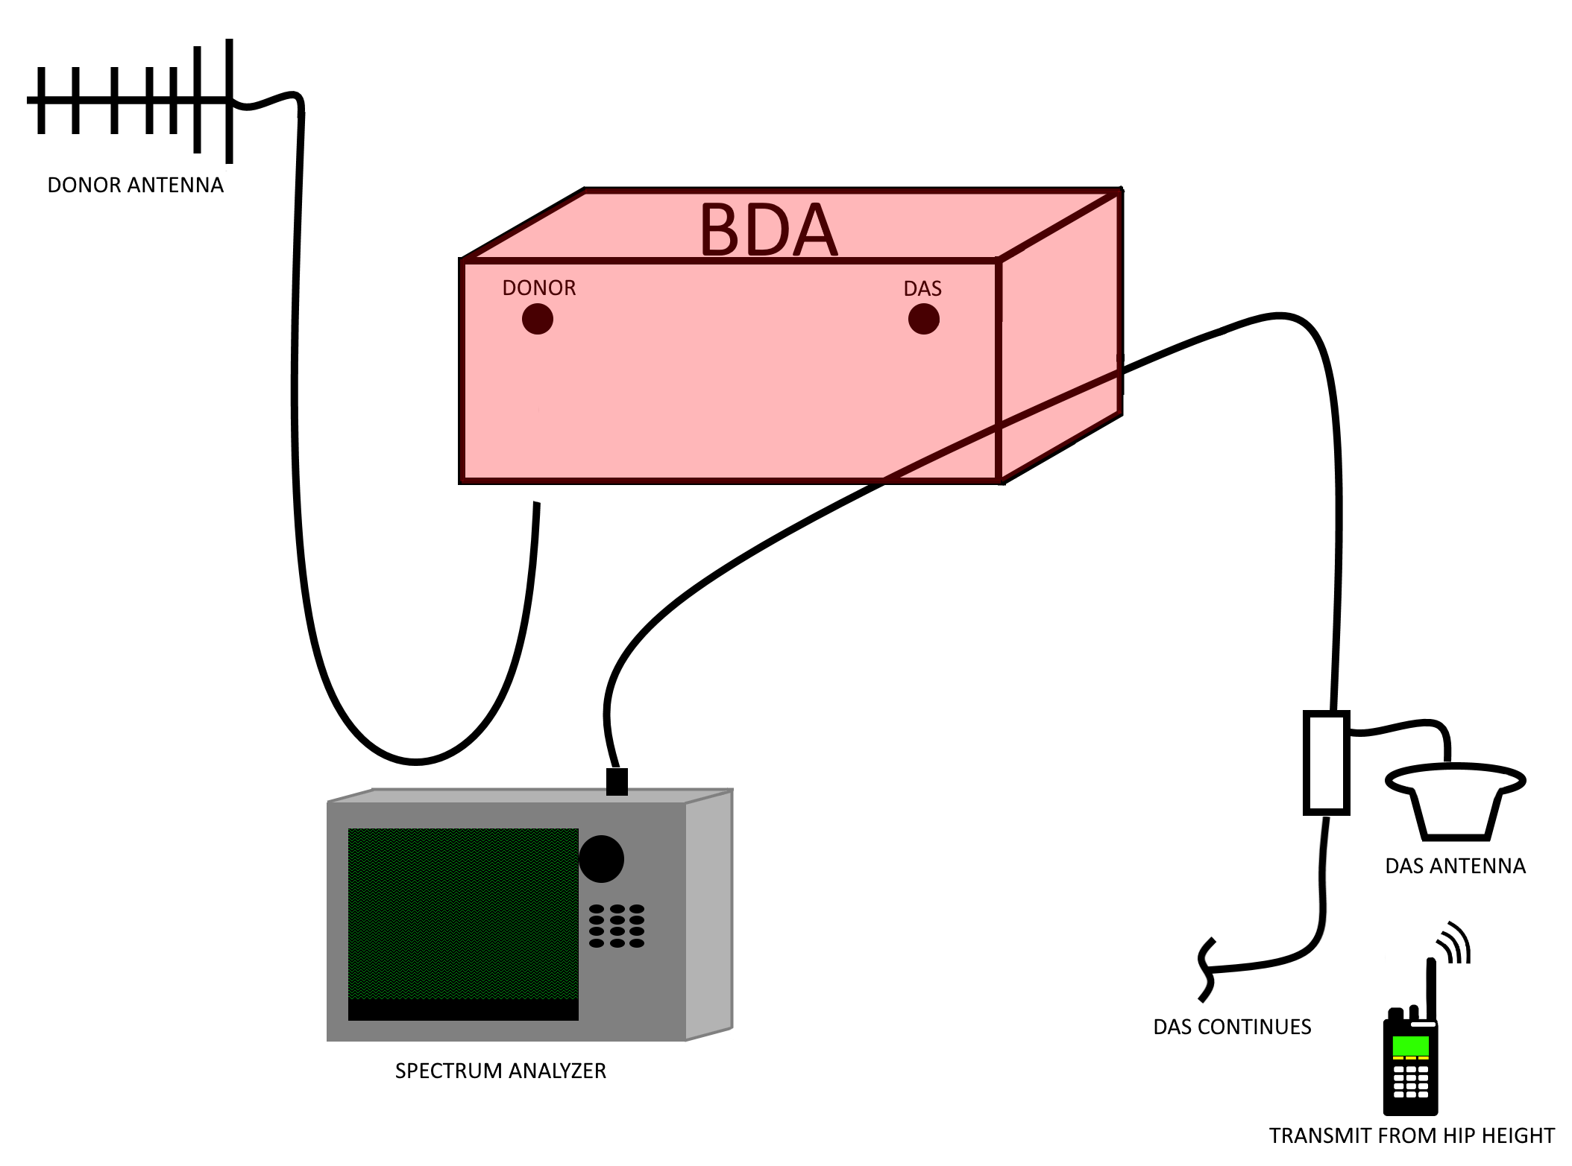
4.5.2 | Measure min UL input to BDA | Connect spectrum analyzer to cable from BDA DAS port To choose a minimum power transmission location, either ask DAS vendor to identify lowest DL receive area or choose a location equidistant between two DAS antennas Transmit for at least 10 seconds Record dBm of UL transmission with spectrum analyzer resolution bandwidth (RBW) of at least 15 kHz but no more than 50kHz
4.5.3 | Measure max UL output of BDA (verifying AGC) | ****Must use at least 20dB 5W attenuator, connecting high power to spectrum analyzer**** With attenuator, connect spectrum analyzer to BDA Donor port Transmit for at least 10 seconds from hip height with a test radio directly under the closest DAS antenna Record dBm of UL transmission with spectrum analyzer resolution bandwidth (RBW) of at least 15 kHz but no more than 50kHz Don't forget to add the 20dB back in to the dBm value from the attenuator Confirm UL AGC if configured is limiting output per channel Confirm per channel power out is less than +37dBm, including donor cable loss and donor antenna gain
4.5.3.1 | Measure max/min UL output of BDA diagram | 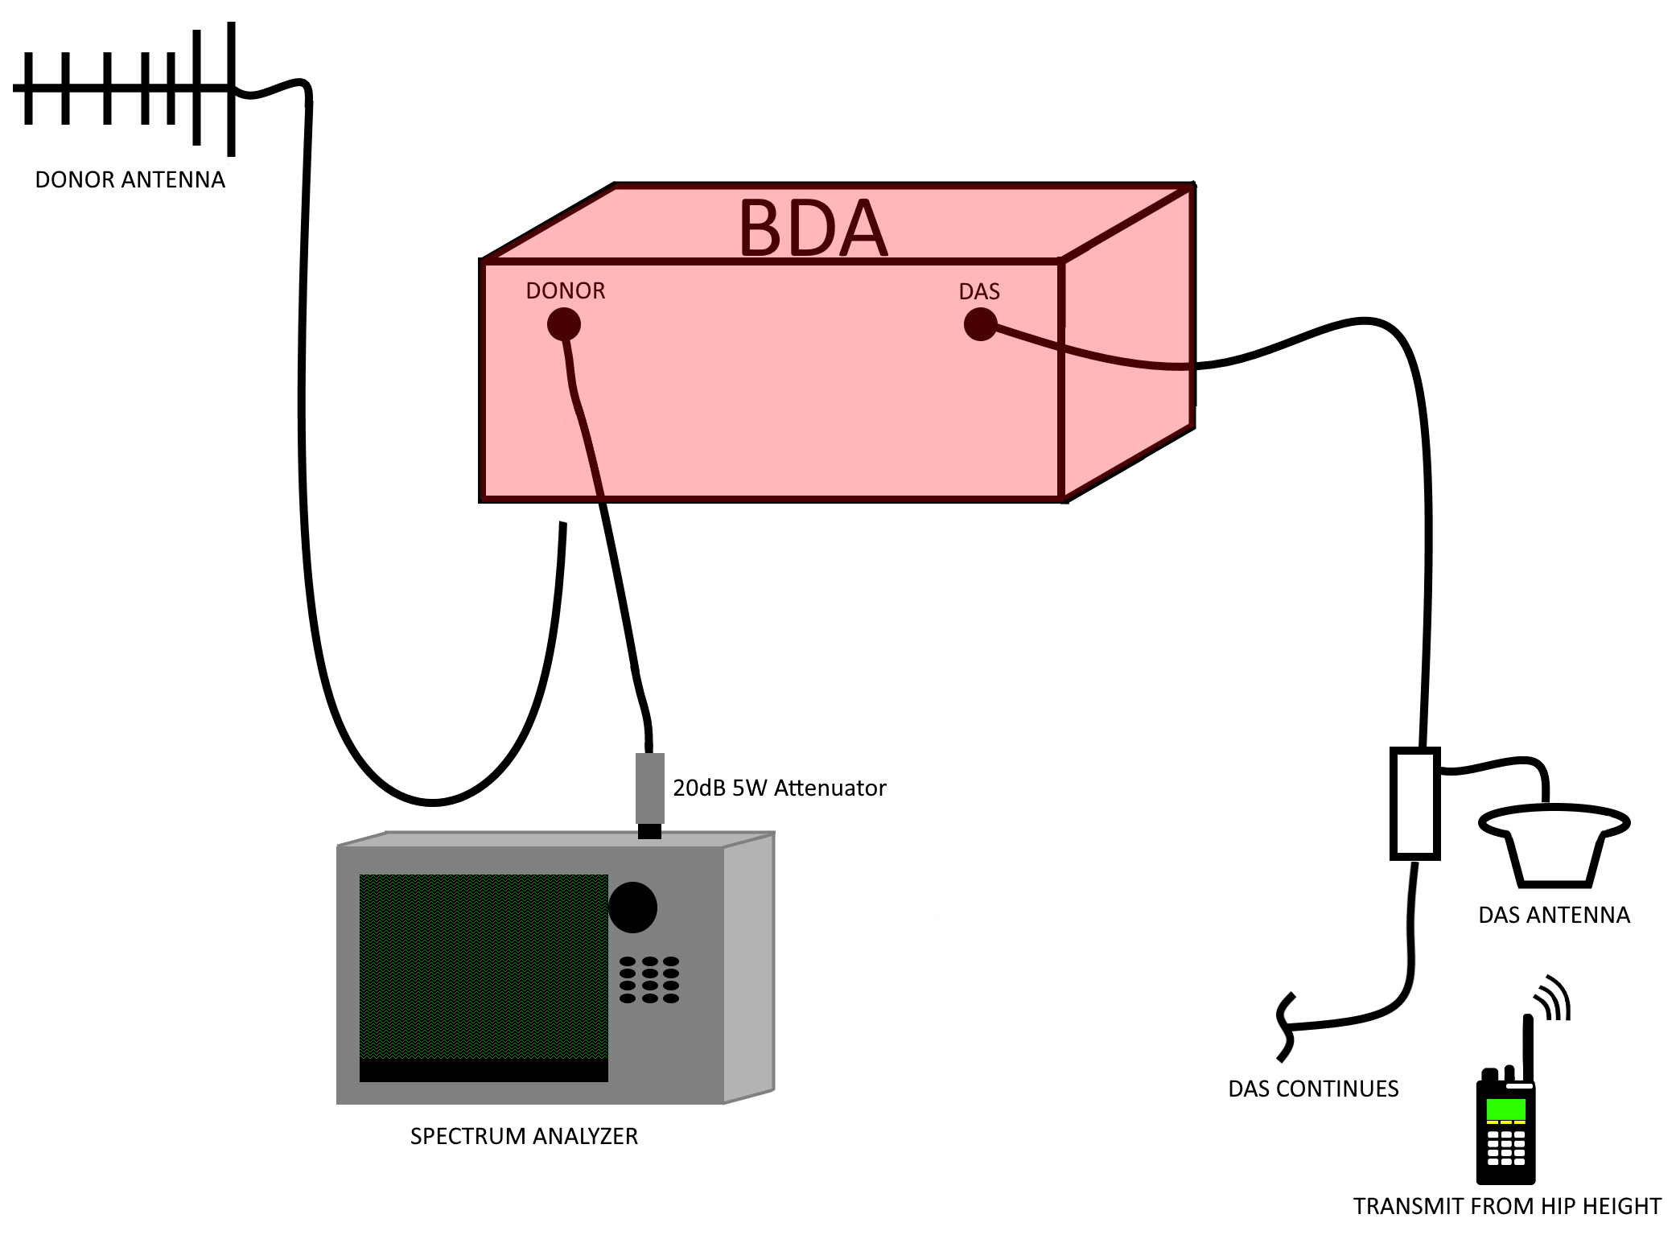
4.5.4 | Measure min UL output of BDA | ****Must use at least 20dB 5W attenuator, connecting high power to spectrum analyzer**** With attenuator, connect spectrum analyzer to BDA Donor port To choose a minimum power transmission location, either ask DAS vendor to identify lowest DL receive area or choose a location equidistant between two DAS antennas Record dBm of UL transmission with spectrum analyzer resolution bandwidth (RBW) of at least 15 kHz but no more than 50kHz Don't forget to add the 20dB back in to the dBm value from the attenuator
4.5.5 | Max ERP from donor antenna | Confirm: (Peak UL signal from 4.5.3) - (attenuation, donor cable loss) + (donor antenna gain) < +37dBm If cable and connector loss unknown, estimate 2dB/100 ft.
4.5.6 | Measure UL squelch | ****Must use at least 20dB 5W attenuator, connecting high power to spectrum analyzer**** Connect spectrum analyzer Set spectrum analyzer to wider than the entire uplink band, i.e. 764-782 MHz Compare the out-of-band noise floor output to the in-band noise. The system uplink gain should be diminished by the UL squelch value. (In-band Noise) - (Out-of-band Noise Floor) = Squelched uplink gain Squelched uplink gain should equal (uplink gain - squelch) e.g. (-50dBm) - (-95dBm) = Squelched UL Gain = 45dB UL Gain (75dB) - Squelch(30dB) = Squelched UL Gain= 45dB
4.5.6.1 | Measure UL squelch diagram | 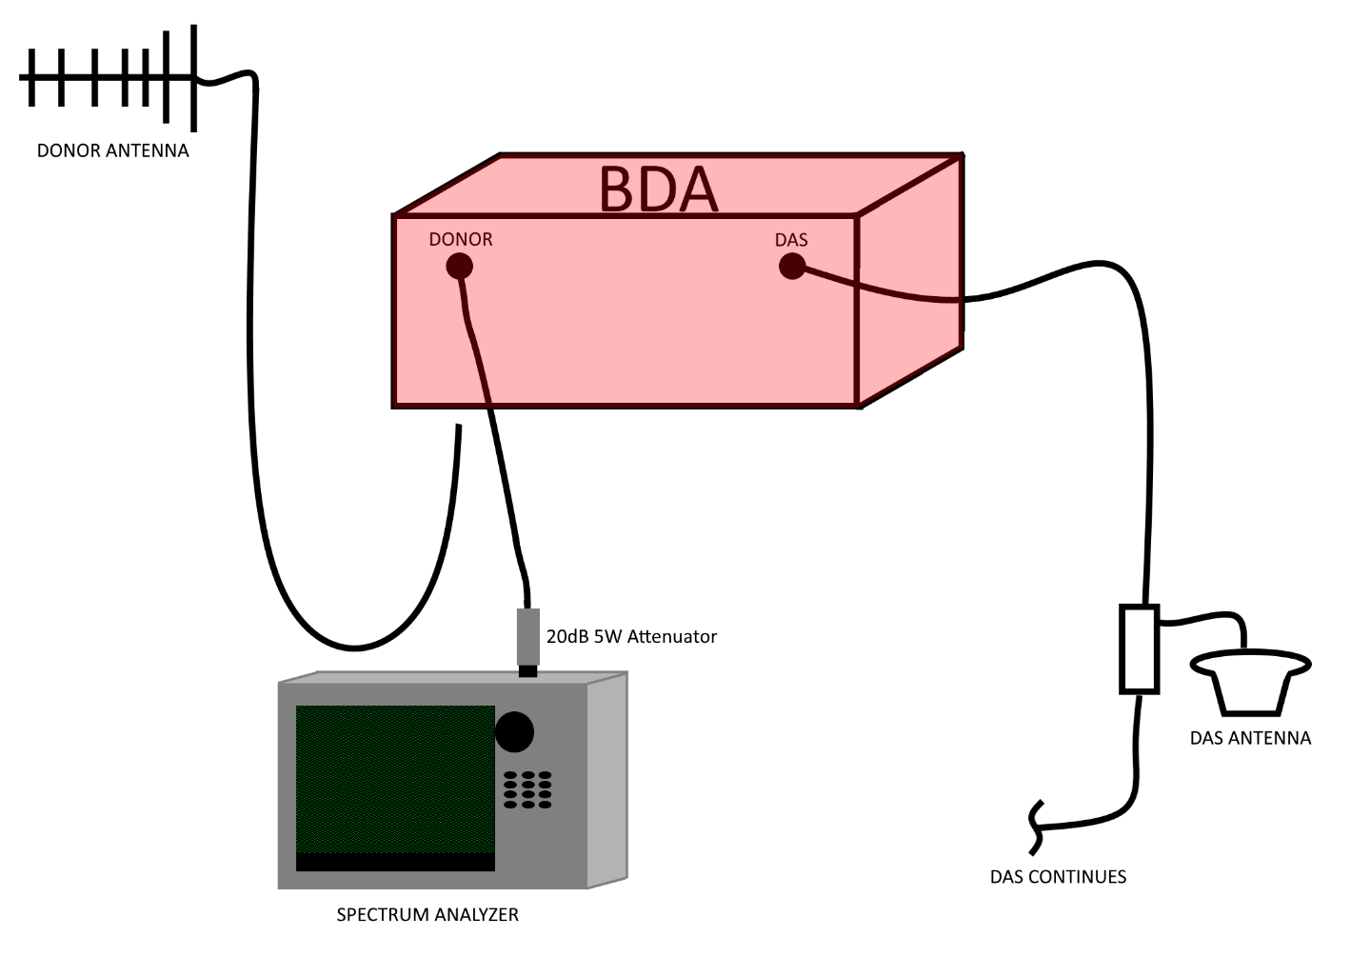
4.5.7 | Confirm UL noise meets FCC 90.219.d.6.ii requirement | Continue setup of 4.5.4. Change RBW to 10kHz. Confirm: (Peak UL noise signal) - (insertion, donor cable loss) + (donor antenna gain) < -43dBm
4.5.8 | Expected noise RX at Donor Site | Following setup of 4.5.5, document peak UL power with squelch applied, if applicable. UL noise ERP = 4.6.5.2 Expected Noise RX at donor = (UL noise ERP) - (Path loss 4.4.2)
4.5.9 | Estimate max UL receive at donor site with calculated path loss | Max UL output (4.5.3) - Path loss (4.4.2) = Estimated Max UL receive
4.5.10 | Estimate min UL receive at donor site with calculated path loss | Min UL output (4.5.4) - Path loss (4.4.2) = Estimated Min UL receive
4.6 | TDI testing
4.6.1 | Comms check 3', 15', 30' from all emergency egress | ERCES must be configured and on. TDI may manifest between the threshold of the ERCES and the macro. DAQ of less than 3.0 indicates failure
4.6.1.1 | Test channel signal strength at 3' if 4.6.1 failure | Configure BDA with additional filter for test channel with same gain as other DL channels Generate test transmission on test channel to be amplified through ERCES. Compare signal from ERCES with Macro signal at TDI trouble locations. Dominant or near-dominant ERCES signal at the exterior of the building is not allowed.
4.6.1.2 | Test channel signal strength test diagram | 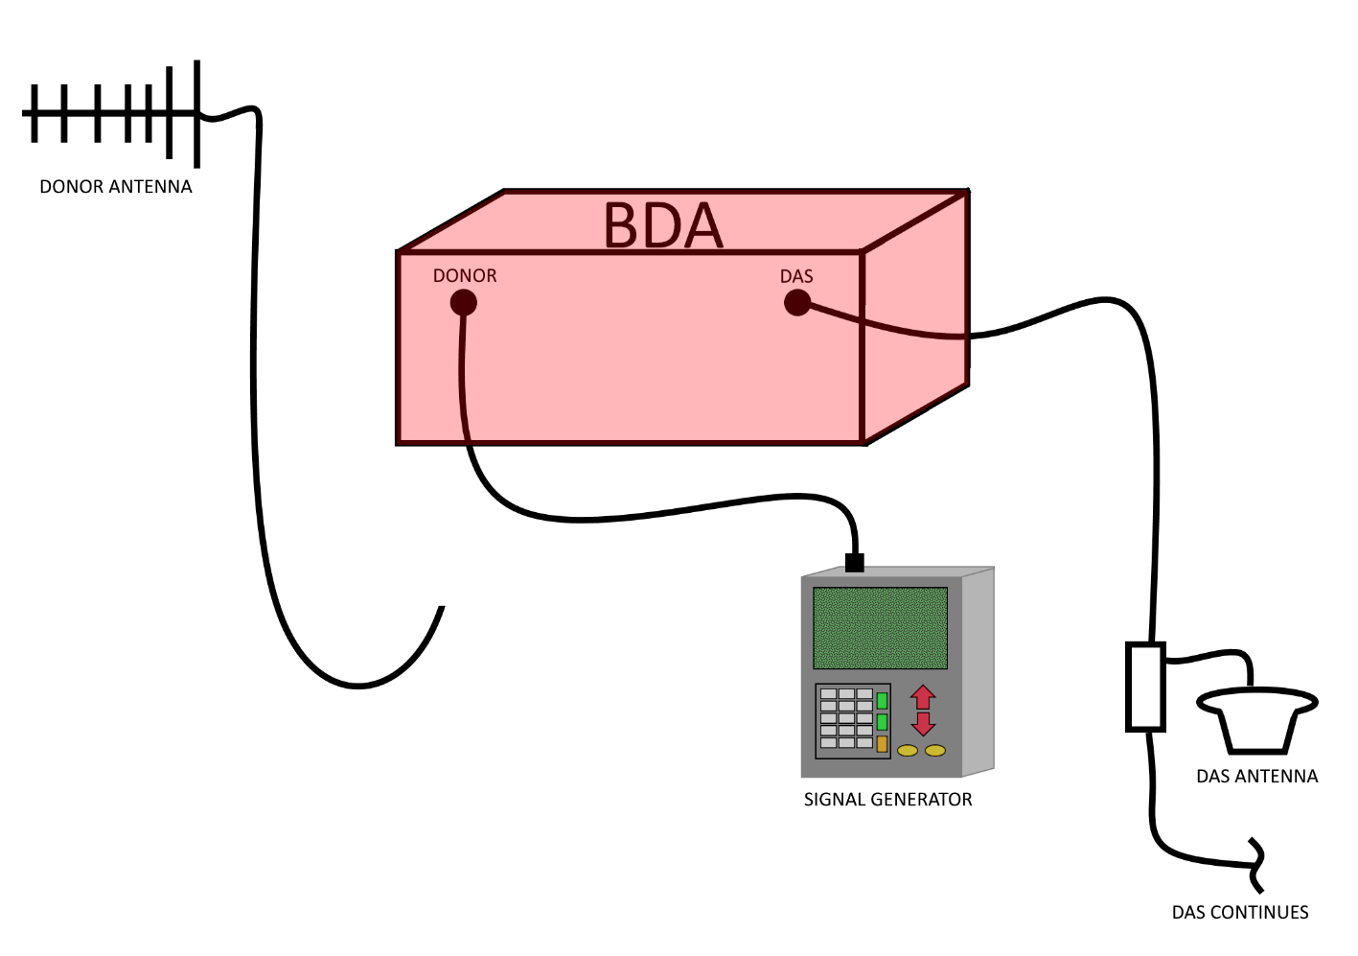
4.7 | Donor site UL testing | (TO BE COMPLETED AT VALIDATION WITH TCOMM 911)
4.7.1 | RX noise floor value with DAS off | Connect spectrum analyzer to receive multicoupler at donor site. Set frequency span to entire uplink band, 768-775 MHz Monitor noise floor and document received value | (TO BE COMPLETED AT VALIDATION WITH TCOMM 911)
4.7.2 | BDA on/off test to verify no noise rise | Turn on DAS BDA confirm UL amplification with BDA software Assess donor site spectrum noise floor Turn off DAS BDA Confirm no appreciable decrease of donor site noise floor with BDA off No noise floor contribution is acceptable | (TO BE COMPLETED AT VALIDATION WITH TCOMM 911) This will be performed but more important will be the results from 4.6.6 to address gradual noise rise
4.7.3 | Max UL receive | Connect spectrum analyzer to receive multicoupler at donor site. Set frequency span to entire uplink band, 768-775 MHz Transmit for at least 10 seconds from hip height with a test radio directly under the closest DAS antenna Record dBm of UL transmission with spectrum analyzer resolution bandwidth (RBW) of at least 15 kHz but no more than 50kHz Any value greater than -63dBm is not accepted. After 2 seconds, AGC should be engaged. At this point, any value greater than -75dBm is not accepted. | (TO BE COMPLETED AT VALIDATION WITH TCOMM 911)
4.7.3.1 | Max/Min UL receive diagram | 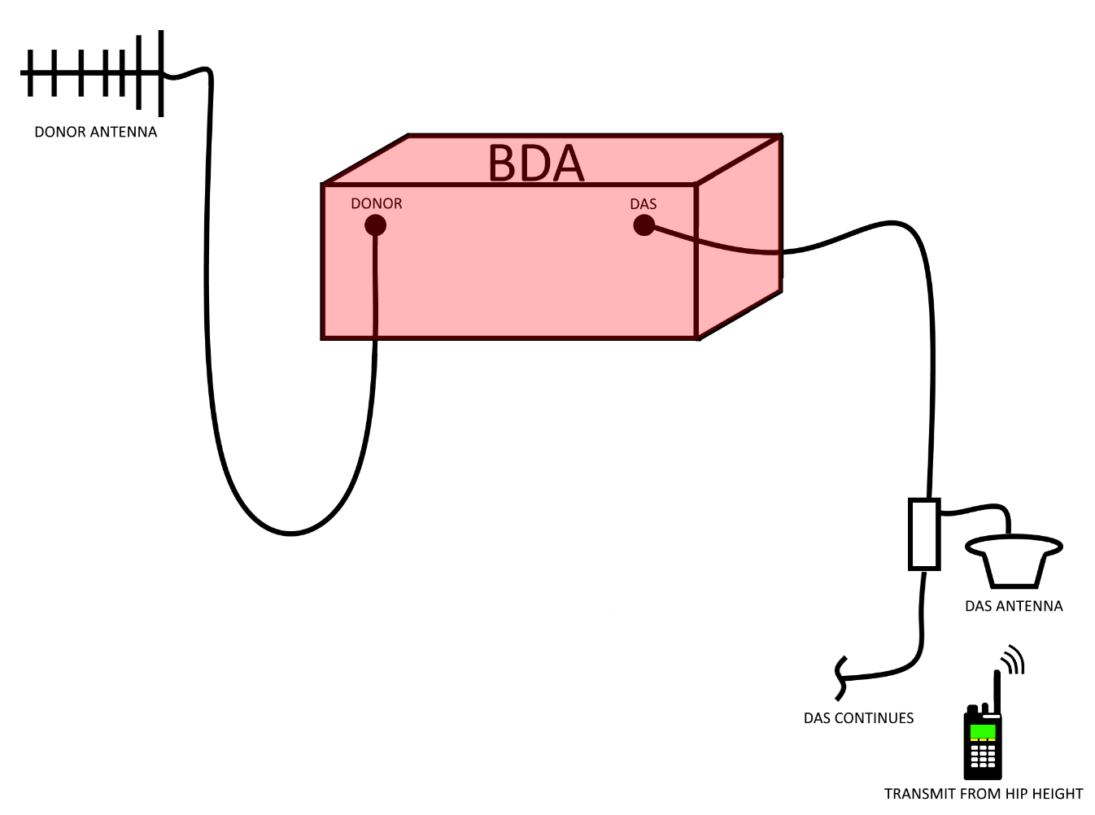 | (TO BE COMPLETED AT VALIDATION WITH TCOMM 911)
4.7.4 | Min UL receive | Connect spectrum analyzer to receive multicoupler at donor site. Set frequency span to entire uplink band, 799-805 MHz To choose a minimum power transmission location, either ask DAS vendor to identify lowest DL receive area or choose a location equal distance between two DAS antennas Transmit for at least 10 seconds from hip height Record dBm of UL transmission with spectrum analyzer resolution bandwidth (RBW) of at least 15 kHz but no more than 50kHz Repeat this step over at least 5 low signal locations No minimum value so long as DAQ is greater than 3.0 | (TO BE COMPLETED AT VALIDATION WITH TCOMM 911)
5 | Characterizing Building Attenuation | (TO BE COMPLETED AT VALIDATION WITH TCOMM 911)
5.1 | DL receive north of building with ERCES Off and On | For each of these items, using either the TCOMM 911 technician's spectrum analyzer or the DAS vendor's, record the local simulcast sub-system control channel signal strength.
5.2 | DL receive east of building with ERCES Off and On
5.3 | DL receive south of building with ERCES Off and On
5.4 | DL receive west of building with ERCES Off and On
5.5 | DL receive at fire panel with ERCES ERCES Off and On
5.6 | DL receive at ground level elevator lobby with ERCES Off and On
5.7 | DL receive at other ground level critical areas with ERCES Off and On
5.8 | DL receive on ground level general areas with ERCES Off and On (dBm)
5.9 | DL receive at other second level critical areas with ERCES Off and On (dBm)
5.1 | DL receive on second level general areas with ERCES Off and On
6 | Technician Sign-off
6.1 | ERCES vendor point of contact name
6.2 | ERCES vendor point of contact email
6.3 | TCOMM 911 Technician
6.4 | Date

